Table 1
North American Type ASA
Introduction
In North America clearance sensing slack adjusters are only just starting to dominate the OE market. However, due to the benefits they offer over the stroke sensing systems, they are frequently requested in the aftermarket to replace stroke sensing adjusters. For this reason the majority of North American ASAs are provided with a fitting kit designed to allow the ASA to be fitted to applications where it was not the OE specified product. This combination of ASA and fitting kit also means that an ASA can be used on a variety of manufacturers’ axles. Therefore the application information is generally given for the axle type rather than the manufacturer. We have followed this practice in designating each adjuster as Drive Axle, Steer Axle, Trailer Axle or Transit.
Each part number is represented by 3 images. Image 1 is a photograph of the listed part. It demonstrates the general appearance of the slack adjuster. It is designed so that the offset and incli- nation of the body can be easily discerned. Image 2 shows a front view line drawing. The distance from centre of the wormgear to centre of the clevis hole is indicated in millimetres. Image 3 shows a side view drawing. The overall length, shown in millimetres, does not include the control arm extension. The internal diameter of each clevis bush is shown in millimetres. If the body casting is offset this measurement is taken as follows: Take the distance from the centre of the body casting where the hex nut extends to the centre of the casting at the last clevis hole. |  |  | Image 1 Image 2 Image 3

Manufacturers’ and other wholesaler’s part numbers used in this catalogue are for cross reference purposes only and do not imply anything about the origin or manufacturer of the product. |  | ALL DIMENSIONS ARE IN MILLIMETRES

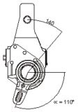

North American Type ASA
4W8000 To Fit: Drive Haldex Kit: 400-10141 Haldex Unit: 40910653 Spline Type: 28 ANSI B92.1 Control Arm: Type 101 Supplied with: 4W0800
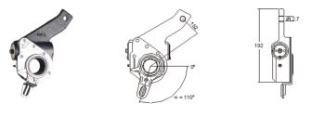 4W8005 To Fit: Trailer Haldex Kit: 400-10305 Haldex Unit: 40910655 Spline Type: 28 ANSI B92.1 Control Arm: Type 103 Supplied with: 4W0805
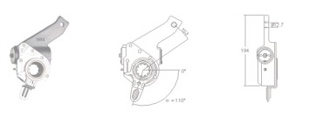 4W8010 To Fit: Trailer Haldex Kit: 400-10306 Haldex Unit: 40910656 Spline Type: 10 SAE 1-1/2" - 10c Control Arm: Type 103 Supplied with: 4W0805
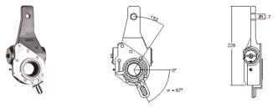 4W8015 To Fit: Trailer Haldex Kit: 400-10212 Haldex Unit: 40910673 Spline Type: 28 ANSI B92.1 Control Arm: Type 102 Supplied with: 4W0840
ALL DIMENSIONS ARE IN MILLIMETRES Manufacturers’ and other wholesaler’s part numbers used in this catalogue are for cross reference purposes only and do not imply anything about the origin or manufacturer of the product.
North American Type ASA
4W8020 To Fit: Trailer Haldex Kit: 400-10214 Haldex Unit: 40910674 Spline Type: 37 ANSI B92.1 Control Arm: Type 102 Supplied with: 4W0805
4W8025 To Fit: Trailer Haldex Kit: 400-10216 Haldex Unit: 40910675 Spline Type: 10 SAE 1-1/2" - 10c Control Arm: Type 102 Supplied with: 4W0840
4W8030 To Fit: Drive Haldex Kit: 400-10144 Haldex Unit: 40910678 Spline Type: 28 ANSI B92.1 Control Arm: Type 102 Supplied with: 4W0810
4W8035 To Fit: Trailer Haldex Kit: 400-10211 Haldex Unit: 40910683 Spline Type: 28 ANSI B92.1 Control Arm: Type 102 Supplied with: 4W0805
Manufacturers’ and other wholesaler’s part numbers used in this catalogue are for cross reference purposes only and do not imply anything about the origin or manufacturer of the product. |  | ALL DIMENSIONS ARE IN MILLIMETRES
North American Type ASA
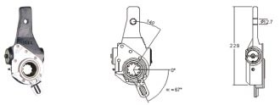 4W8040 To Fit: Trailer Haldex Kit: 400-10215 Haldex Unit: 40910685 Spline Type: 10 SAE 1-1/2" - 10c Control Arm: Type 102 Supplied with: 4W0840
4W8045 To Fit: Drive Haldex Kit: 400-10143 Haldex Unit: 40910733 Spline Type: 10 SAE 1-1/2" - 10c Control Arm: Type 101 Supplied with: 4W0800
4W8050 To Fit: Drive Haldex Kit: 400-10142 Haldex Unit: 40910741 Spline Type: 10 SAE 1-1/2" - 10c Control Arm: Type 101 Supplied with: 4W0800
4W8055 To Fit: Drive Haldex Kit: 400-10140 Haldex Unit: 40910742 Spline Type: 28 ANSI B92.1 Control Arm: Type 101 Supplied with: 4W0800
ALL DIMENSIONS ARE IN MILLIMETRES Manufacturers’ and other wholesaler’s part numbers used in this catalogue are for cross reference purposes only and do not imply anything about the origin or manufacturer of the product.
North American Type ASA
4W8060 To Fit: Steer Haldex Kit: 400-10008 Haldex Unit: 40910663 Spline Type: 28 ANSI B92.1 Control Arm: Type 103 Supplied with: 4W0810
4W8065 To Fit: Drive Haldex Kit: 400-10145 Haldex Unit: 40910680 Spline Type: 10 SAE 1-1/2" - 10c Control Arm: Type 102 Supplied with: 4W0810
4W8070 To Fit: Steer Haldex Kit: 400-10004 Haldex Unit: 40910659 Spline Type: 24 ANSI B92.1 - 1970 Control Arm: Type 103 Supplied with: 4W0815
4W8075 To Fit: Drive Haldex Kit: 400-10146 Haldex Unit: 40910679 Spline Type: 28 ANSI B92.1 Control Arm: Type 102 Supplied with: 4W0810
Manufacturers’ and other wholesaler’s part numbers used in this catalogue are for cross reference purposes only and do not imply anything about the origin or manufacturer of the product. |  | ALL DIMENSIONS ARE IN MILLIMETRES
North American Type ASA
4W8080 To Fit: Drive Haldex Kit: 400-10402 Haldex Unit: 40910584 Spline Type: 28 ANSI B92.1 Control Arm: Type 101 Supplied with: 4W0825
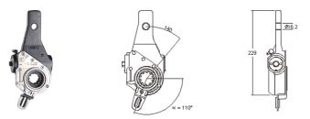 4W8085 To Fit: Steer Haldex Kit: 400-10001 Haldex Unit: 40910658 Spline Type: 10 SAE 1-1/4" - 10c Control Arm: Type 103 Supplied with: 4W0810
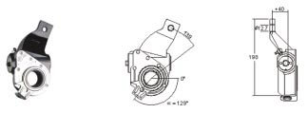 4W8090 To Fit: Steer Haldex Kit: 400-10010 Haldex Unit: 40910600 Spline Type: 28 ANSI B92.1 Control Arm: Type 104 Supplied with: 4W0820
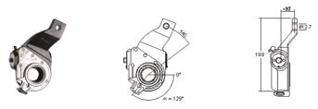 4W8095 To Fit: Steer Haldex Kit: 400-10009 Haldex Unit: 40910599 Spline Type: 28 ANSI B92.1 Control Arm: Type 104 Supplied with: 4W0820
ALL DIMENSIONS ARE IN MILLIMETRES Manufacturers’ and other wholesaler’s part numbers used in this catalogue are for cross reference purposes only and do not imply anything about the origin or manufacturer of the product.
North American Type ASA
4W8100 To Fit: Trailer Haldex Kit: 400-10213 Haldex Unit: 40910684 Spline Type: 37 ANSI B92.1 Control Arm: Type 102 Supplied with: 4W0805
4W8105 To Fit: Steer Haldex Kit: 400-10005 Haldex Unit: 40910662 Spline Type: 10 SAE 1-1/2" - 10c Control Arm: Type 103 Supplied with: 4W0810
4W8110 To Fit: Trailer Haldex Kit: 400-10304 Haldex Unit: 40910654 Spline Type: 28 ANSI B92.1 - 1996 Control Arm: Type 103 Supplied with: 4W0805
4W8115 To Fit: Steer Haldex Kit: 400-10003 Haldex Unit: 40910660 Spline Type: 10 SAE 1-1/4" - 10c Control Arm: Type 103 Supplied with: 4W0810
Manufacturers’ and other wholesaler’s part numbers used in this catalogue are for cross reference purposes only and do not imply anything about the origin or manufacturer of the product. |  | ALL DIMENSIONS ARE IN MILLIMETRES
North American Type ASA
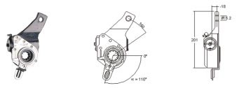 4W8120 To Fit: Steer Haldex Kit: 400-10002 Haldex Unit: 40910661 Spline Type: 10 SAE 1-1/4" - 10c Control Arm: Type 103 Supplied with: 4W0810
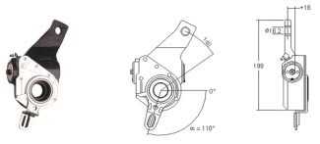 4W8125 To Fit: Steer Haldex Kit: 400-10041 Haldex Unit: 40910664 Spline Type: 24 ANSI B92.1 - 1970 Control Arm: Type 103 Supplied with: 4W0815
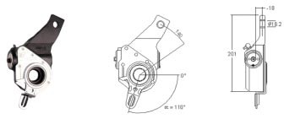 4W8130 To Fit: Steer Haldex Kit: 400-10040 Haldex Unit: 40910665 Spline Type: 24 ANSI B92.1 - 1970 Control Arm: Type 103 Supplied with: 4W0815
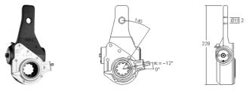 4W8135 To Fit: Drive Haldex Kit: 400-10155 Haldex Unit: 40910635 Spline Type: 10 SAE 1-1/2" - 10c Control Arm: Type 101 Supplied with: 4W0830
ALL DIMENSIONS ARE IN MILLIMETRES Manufacturers’ and other wholesaler’s part numbers used in this catalogue are for cross reference purposes only and do not imply anything about the origin or manufacturer of the product.
North American Type ASA
4W8140 To Fit: Drive Haldex Kit: 400-10156 Haldex Unit: 40910648 Spline Type: 28 ANSI B92.1 Control Arm: Type 101 Supplied with: 4W0830
4W8145 To Fit: Trailer Haldex Kit: 400-10307 Haldex Unit: 40910657 Spline Type: 37 ANSI B92.1 Control Arm: Type 103 Supplied with: 4W0805
4W8150 To Fit: Trailer Haldex Kit: N/A Haldex Unit: 40910129 Spline Type: 10 SAE 1-1/2" - 10c Control Arm: Type 105 Supplied with: 4W0835
4W8155 To Fit: Drive Haldex Kit: 400-10154 Haldex Unit: 40910650 Spline Type: 28 ANSI B92.1 Control Arm: Type 101 Supplied with: 4W0800
Manufacturers’ and other wholesaler’s part numbers used in this catalogue are for cross reference purposes only and do not imply anything about the origin or manufacturer of the product. |  | ALL DIMENSIONS ARE IN MILLIMETRES
North American Type ASA
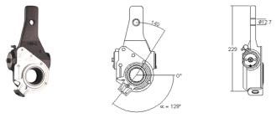 4W8160 To Fit: Steer Haldex Kit: 400-10081 Haldex Unit: 409-10228 Spline Type: 28 ANSI B92.1 Control Arm: Type 104 Supplied with: 4W0855
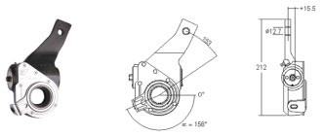 4W8165 To Fit: Steer Haldex Kit: 400-10068 Haldex Unit: 409-10638 Spline Type: 28 ANSI B92.1 Control Arm: Type 107 Supplied with: 4W0860
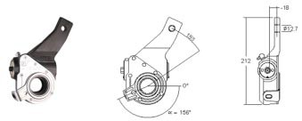 4W8170 To Fit: Steer Haldex Kit: 400-10069 Haldex Unit: 409-10639 Spline Type: 28 ANSI B92.1 Control Arm: Type 107 Supplied with: 4W0861
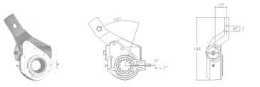 4W8175 To Fit: Haldex Kit: N/A Haldex Unit: 409-10590 Spline Type: 10 SAE 1-1/2" - 10c Control Arm: Type 106 Supplied with: 4W0862
ALL DIMENSIONS ARE IN MILLIMETRES Manufacturers’ and other wholesaler’s part numbers used in this catalogue are for cross reference purposes only and do not imply anything about the origin or manufacturer of the product.
North American Type ASA
4W8180 To Fit: Steer Haldex Kit: 400-10031 Haldex Unit: 409-10299 Spline Type: 10 SAE 1-1/2" - 10c Control Arm: Type 107 Supplied with: 4W0820
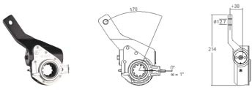 4W8500 To Fit: Transit Haldex Kit: 300-10001 Haldex Unit: 419-10743 Spline Type: 10 SAE 1-1/2" - 10c Control Arm: Type 106 Supplied with: 4W0845
4W8505 To Fit: Transit Haldex Kit: 300-10018 Haldex Unit: 419-10608 Spline Type: 10 SAE 1-1/2" - 10c Control Arm: Type 104 Supplied with: 4W0850
4W8510 To Fit: Transit Haldex Kit: 300-10066 Haldex Unit: 419-10849 Spline Type: 28 ANSI B92.1 Control Arm: Type 104 Supplied with: 4W0865
Manufacturers’ and other wholesaler’s part numbers used in this catalogue are for cross reference purposes only and do not imply anything about the origin or manufacturer of the product. |  | ALL DIMENSIONS ARE IN MILLIMETRES
North American Type ASA
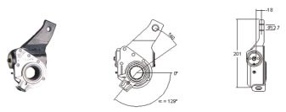 4W8515 To Fit: Transit Haldex Kit: 300-10067 Haldex Unit: 419-10850 Spline Type: 28 ANSI B92.1 Control Arm: Type 104 Supplied with: 4W0865
4W8520 To Fit: Transit Haldex Kit: 300-10068 Haldex Unit: 419-10854 Spline Type: 28 ANSI B92.1 Control Arm: Type 104 Supplied with: 4W0865
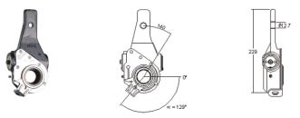 4W8525 To Fit: Transit Haldex Kit: 300-10052 Haldex Unit: 419-10427 Spline Type: 28 ANSI B92.1 Control Arm: Type 104 Supplied with: 4W0865
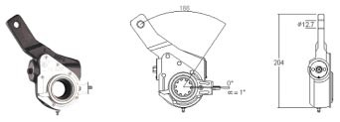 4W8530 To Fit: Transit Haldex Kit: 300-10118 Haldex Unit: 419-10455 Spline Type: 28 ANSI B92.1 Control Arm: Type 106 Supplied with: N/A
ALL DIMENSIONS ARE IN MILLIMETRES Manufacturers’ and other wholesaler’s part numbers used in this catalogue are for cross reference purposes only and do not imply anything about the origin or manufacturer of the product.
North American Type ASA
4W8535 To Fit: Transit Haldex Kit: 300-10011 Haldex Unit: 419-10770 Spline Type: 10 SAE 1-1/2" - 10c Control Arm: Type 101 Supplied with: 4W0825
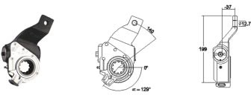 4W8540 To Fit: Transit Haldex Kit: 300-10007 Haldex Unit: 419-10603 Spline Type: 10 SAE 1-1/2" - 10c Control Arm: Type 104 Supplied with: 4W0820
4W8545 To Fit: Transit Haldex Kit: 300-10008 Haldex Unit: 419-10604 Spline Type: 10 SAE 1-1/2" - 10c Control Arm: Type 104 Supplied with: 4W0820
4W8550 To Fit: Transit Haldex Kit: 300-10015 Haldex Unit: 419-10042 Spline Type: 10 SAE 1-1/2" - 10c Control Arm: Type 107 Supplied with: 4W0865
Manufacturers’ and other wholesaler’s part numbers used in this catalogue are for cross reference purposes only and do not imply anything about the origin or manufacturer of the product. |  | ALL DIMENSIONS ARE IN MILLIMETRES
North American Type ASA
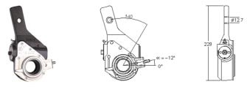 4W8555 To Fit: Transit Haldex Kit: 300-10016 Haldex Unit: 419-10586 Spline Type: 28 ANSI B92.1 Control Arm: Type 101 Supplied with: 4W0825
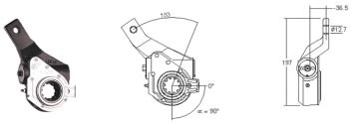 4W8560 To Fit: Transit Haldex Kit: 300-10035 Haldex Unit: 419-10641 Spline Type: 10 SAE 1-1/2" - 10c Control Arm: Type 107 Supplied with: N/A
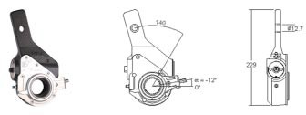 4W8565 To Fit: Transit Haldex Kit: 300-10033 Haldex Unit: 419-10636 Spline Type: 28 ANSI B92.1 Control Arm: Type 101 Supplied with: 4W0825
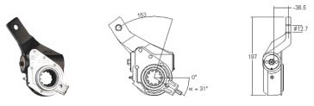 4W8570 To Fit: Transit Haldex Kit: 300-10044 Haldex Unit: 419-10790 Spline Type: 10 SAE 1-1/2" - 10c Control Arm: Type 108 Supplied with: 4W0875
ALL DIMENSIONS ARE IN MILLIMETRES Manufacturers’ and other wholesaler’s part numbers used in this catalogue are for cross reference purposes only and do not imply anything about the origin or manufacturer of the product.
North American Type ASA
4W8575 To Fit: Transit Haldex Kit: 300-10135 Haldex Unit: 419-10822 Spline Type: 25 JIS B1602-1961 Control Arm: Type 109 Supplied with: N/A
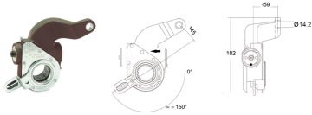 4W8580 To Fit: Transit Haldex Kit: 300-10136 Haldex Unit: 419-10823 Spline Type: 25 1.5 Module JIS B1602-1961 Control Arm: Type 109 Supplied with: N/A
4W8585 To Fit: Transit Haldex Kit: 300-10137 Haldex Unit: 419-10824 Spline Type: 25 1.5 Module JIS B1602-1961 Control Arm: Type 110 Supplied with: N/A
4W8590 To Fit: Transit Haldex Kit: 300-10145 Haldex Unit: 419-10836 Spline Type: 10 SAE 1-1/2" - 10c Control Arm: Type 102 Supplied with: N/A
Manufacturers’ and other wholesaler’s part numbers used in this catalogue are for cross reference purposes only and do not imply anything about the origin or manufacturer of the product. |  | ALL DIMENSIONS ARE IN MILLIMETRES
North American Type ASA
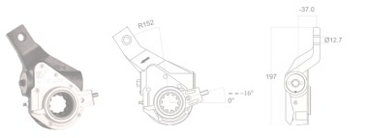 4W8595 To Fit: Transit Haldex Kit: 300-10175 Haldex Unit: 419-10973 Spline Type: 10 SAE 1-1/2" - 10c Control Arm: Type 111 Supplied with: 4W0897
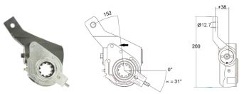 4W8600 To Fit: Transit Haldex Kit: 300-10043 Haldex Unit: 419-10789 Spline Type: 10 SAE 1-1/2" - 10c Control Arm: Type 108 Supplied with: 4W0875
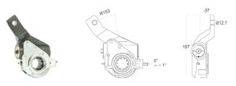 4W8605 To Fit: Transit Haldex Kit: 300-10026 Haldex Unit: 419-10276 Spline Type: 10 SAE 1-1/2" - 10c Control Arm: Type 106 Supplied with: N/A
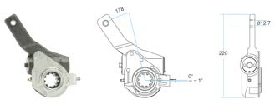 4W8610 To Fit: Transit Haldex Kit: 300-10004 Haldex Unit: 419-10745 Spline Type: 10 SAE 1-1/2" - 10c Control Arm: Type 106 Supplied with: 4W0899
ALL DIMENSIONS ARE IN MILLIMETRES Manufacturers’ and other wholesaler’s part numbers used in this catalogue are for cross reference purposes only and do not imply anything about the origin or manufacturer of the product.
North American Type ASA
4W8615 To Fit: Transit Haldex Kit: 300-10020 Haldex Unit: 419-10182 Spline Type: 10 SAE 1-1/2" - 10c Control Arm: Type 107 Supplied with: 4W0850
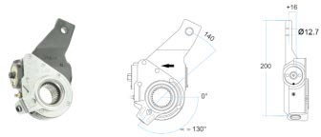 4W8620 To Fit: Transit Haldex Kit: 300-10041 Haldex Unit: 419-10776 Spline Type: 1-1/2" 28 Control Arm: Type 104 Supplied with: 4W0896
4W8625 To Fit: Transit Haldex Kit: 300-10174 Haldex Unit: 419-10972 Spline Type: 10 SAE 1-1/2" - 10c Control Arm: Type 111 Supplied with: 4W0897
4W8630 To Fit: Transit Haldex Kit: 300-10021 Haldex Unit: 419-10183 Spline Type: 10 SAE 1-1/2" - 10c Control Arm: Type 107 Supplied with: 4W0850
Manufacturers’ and other wholesaler’s part numbers used in this catalogue are for cross reference purposes only and do not imply anything about the origin or manufacturer of the product. |  | ALL DIMENSIONS ARE IN MILLIMETRES
North American Type ASA
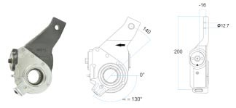 4W8635 To Fit: Transit Haldex Kit: 300-10042 Haldex Unit: 419-10777 Spline Type: 1-1/2" 28 Control Arm: Type 112 Supplied with: 4W0896
4W8640 4W8645 4W8650 | To Fit: Transit Haldex Kit: 300-10025 Haldex Unit: 419-10275 Spline Type: 10 SAE 1-1/2" - 10c Control Arm: Type 106 Supplied with: N/A To Fit: Transit Haldex Kit: 300-10003 Haldex Unit: 419-10745 Spline Type: 10 SAE 1-1/2" - 10c Control Arm: Type 106 Supplied with: 4W0845 To Fit: Transit Haldex Kit: 300-10002 Haldex Unit: 419-10744 Spline Type: 10 SAE 1-1/2" - 10c Control Arm: Type 106 Supplied with: 4W0899

ALL DIMENSIONS ARE IN MILLIMETRES Manufacturers’ and other wholesaler’s part numbers used in this catalogue are for cross reference purposes only and do not imply anything about the origin or manufacturer of the product.
North American Type ASA
4W8655 To Fit: Transit Haldex Kit: 300-10019 Haldex Unit: 419-10104 Spline Type: 1-1/2" 28 Control Arm: Type 101 Supplied with: 4W0800
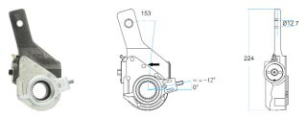 4W8660 To Fit: Transit Haldex Kit: 300-10060 Haldex Unit: 419-10746 Spline Type: 1-1/2" 28 Control Arm: Type 101 Supplied with: 4W0825
4W8665 To Fit: Transit Haldex Kit: 300-10134 Haldex Unit: 419-10750 Spline Type: 10 SAE 1-1/2" - 10c Control Arm: Type 106 Supplied with: N/A
4W8670 To Fit: Transit Haldex Kit: 300-10158 Haldex Unit: 419-10880 Spline Type: 1-1/2" 28 Control Arm: Type 108 Supplied with: 4W0875
Manufacturers’ and other wholesaler’s part numbers used in this catalogue are for cross reference purposes only and do not imply anything about the origin or manufacturer of the product. |  | ALL DIMENSIONS ARE IN MILLIMETRES
North American Type ASA
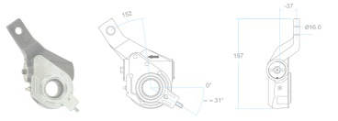 4W8675 To Fit: Transit Haldex Kit: 300-10159 Haldex Unit: 419-10881 Spline Type: 1-1/2" 28 Control Arm: Type 108 Supplied with: 4W0875
4W8680 4W8685 4W8690 | To Fit: Transit Haldex Kit: 300-10146 Haldex Unit: 419-10837 Spline Type: 10 SAE 1-1/2" - 10c Control Arm: Type 102 Supplied with: N/A To Fit: Transit Haldex Kit: 300-10027 Haldex Unit: 419-10340 Spline Type: 10 SAE 1-1/2" - 10c Control Arm: Type 107 Supplied with: 4W0850 To Fit: Transit Haldex Kit: 300-10053 Haldex Unit: 419-10818 Spline Type: 1-1/2" 28 Control Arm: Type 101 Supplied with: 4W0801

ALL DIMENSIONS ARE IN MILLIMETRES Manufacturers’ and other wholesaler’s part numbers used in this catalogue are for cross reference purposes only and do not imply anything about the origin or manufacturer of the product.
North American Type ASA
4W8800 To Fit: Severe Service Haldex Kit: 300-50002 Haldex Unit: 419-50002 Spline Type: 28 ANSI B92.1 Control Arm: Type 102 Supplied with: 4W0810
4W8805 To Fit: Severe Service Haldex Kit: 300-50009 Haldex Unit: 419-50017 Spline Type: 10 SAE 1-1/2" - 10c Control Arm: Type 104 Supplied with: 4W0865
4W8810 To Fit: Severe Service Haldex Kit: 300-50010 Haldex Unit: 419-50018 Spline Type: 10 SAE 1-1/2" - 10c Control Arm: Type 104 Supplied with: 4W0865
4W8815 To Fit: Severe Service Haldex Kit: 300-50036 Haldex Unit: 419-50019 Spline Type: 10 SAE 1-1/2" - 10c Control Arm: Type 103 Supplied with: 4W0870
Manufacturers’ and other wholesaler’s part numbers used in this catalogue are for cross reference purposes only and do not imply anything about the origin or manufacturer of the product. |  | ALL DIMENSIONS ARE IN MILLIMETRES
North American Type ASA ALL DIMENSIONS ARE IN MILLIMETRES Manufacturers’ and other wholesaler’s part numbers used in this catalogue are for cross reference purposes only and do not imply anything about the origin or manufacturer of the product.

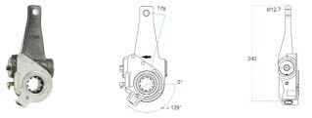 4W8820 To Fit: Severe Service Haldex Kit: 300-50018 Haldex Unit: 419-50051 Spline Type: 10 SAE 1-1/2" - 10c Control Arm: Type 104 Supplied with: 4W0850
4W8825 To Fit: Severe Service Haldex Kit: 300-50037 Haldex Unit: 419-50020 Spline Type: 10 SAE 1-1/2" - 10c Control Arm: Type 103 Supplied with: 4W0870
4W8830 To Fit: Severe Service Haldex Kit: 300-50001 Haldex Unit: 419-50001 Spline Type: 1-1/2" 28 Control Arm: Type 102 Supplied with: 4W0810

